Sheet1
dataset | PFS' | Prism | GTREE | RWordle-L | Ours
Sensorless_drive_diagnosis | 0.59 | 90.04 | 56.79 | 2.7 | 0.17
Condition_based_maintenance | 0.77 | 162.49 | 131.89 | 2.37 | 0.17
Cup98LRN | 0.64 | 354.42 | 133.45 | 869.21 | 0.19
Google_playstore_sentiment | 0.58 | 1968.22 | 1567.45 | 94.3 | 0.17
BeijingPM2.5 | 0.64 | 206.58 | 70.37 | 595.73 | 0.21
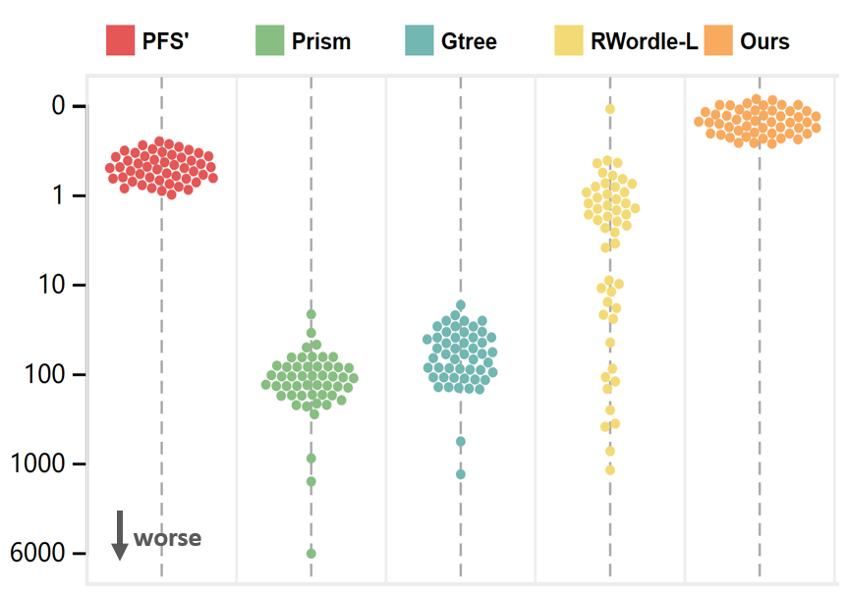
Human_activity_recognition | 0.75 | 453.2 | 156.05 | 1334.47 | 0.19
Crowd_sourced_mapping | 0.73 | 141.39 | 108.07 | 2.29 | 0.17
Telescope | 0.76 | 173.07 | 63.65 | 6.2 | 0.17
Credit_card_fraud | 0.78 | 243.49 | 113.36 | 34.29 | 0.18
MoCap | 0.62 | 157.01 | 78.35 | 13.16 | 0.17
BlackFriday | 0.78 | 151.49 | 113.35 | 0.82 | 0.18
2008_cancelled_flights | 0.57 | 105.74 | 60.14 | 455.8 | 0.17
Barcelona_accident | 0.6 | 135.03 | 73.61 | 4.68 | 0.17
HT_sensor | 0.77 | 246.13 | 103.16 | 4.27 | 0.15
Epileptic_seizure | 0.77 | 139.21 | 97.42 | 1.13 | 0.17
Terrorism | 0.57 | 941.5 | 771.67 | 622.14 | 0.17
Mnist_tsne | 0.67 | 152.58 | 69.51 | 0.89 | 0.18
Swiss_roll_3d | 0.59 | 130.9 | 49.61 | 1.35 | 0.16
Nomao | 0.68 | 165.96 | 73.27 | 238.91 | 0.17
Person_activity | 0.65 | 86.25 | 74.41 | 2.03 | 0.16
Diamonds | 0.65 | 219.49 | 101 | 122.38 | 0.18
Wine | 0.72 | 167.84 | 79.18 | 9.59 | 0.18
Gas_sensor_array_drift | 0.72 | 241.79 | 113.28 | 169.47 | 0.18
Abalone | 0.65 | 97.1 | 51.78 | 1.55 | 0.18
Gesture_phase | 0.73 | 299.2 | 118.56 | 27.11 | 0.17
CS_rankings | 0.77 | 94.01 | 97.99 | 0.83 | 0.18
Satimage | 0.67 | 95.8 | 57.12 | 1 | 0.18
Avila | 0.68 | 124 | 72.98 | 14.63 | 0.16
Forest_covertype | 0.76 | 271.82 | 83.27 | 3.25 | 0.18
Clothes | 0.69 | 73.93 | 56.51 | 0.63 | 0.18
News_popularity | 0.63 | 148.58 | 94.25 | 1.71 | 0.17
Grammatical_facial_expression | 0.7 | 336.82 | 125.8 | 9.96 | 0.18
Swiss_roll_2d | 0.68 | 84.08 | 43.3 | 0.61 | 0.17
Hathi_trust_library | 0.75 | 170.58 | 120.81 | 3.84 | 0.17
Daily_sports | 0.7 | 404.01 | 167.93 | 40.05 | 0.16
Manhattan | 0.75 | 131.28 | 66.41 | 0.66 | 0.18
Phyllotaxis | 0.59 | 39.26 | 29.88 | 0.03 | 0.17
Basketball | 0.61 | 92.24 | 56.09 | 3.07 | 0.18
Dc_census_citizens | 0.72 | 190.55 | 96.43 | 3.25 | 0.17
Chicago_crimes | 0.68 | 125.67 | 59.48 | 5.75 | 0.18
DBLP_samples | 0.75 | 111.14 | 64.15 | 1.07 | 0.18
Music | 0.67 | 109.12 | 59.05 | 0.93 | 0.17
News | 0.64 | 95.82 | 81.13 | 0.85 | 0.18
Paleontology | 0.66 | 132.94 | 53.64 | 1.05 | 0.17
COVID-19_deaths | 0.64 | 6007.04 | 85.49 | 2.24 | 0.18
GridGena | 0.74 | 115.71 | 90.29 | 0.85 | 0.19
GaAsH6 | 0.71 | 70.06 | 74.49 | 2.42 | 0.17
Copter | 0.72 | 57.98 | 58.92 | 0.75 | 0.17
News_aggregator | 0.79 | 340.59 | 164.62 | 67.68 | 0.17
GNFUV | 0.7 | 140.38 | 63.43 | 41.95 | 0.17

